VISUAL IMAGES
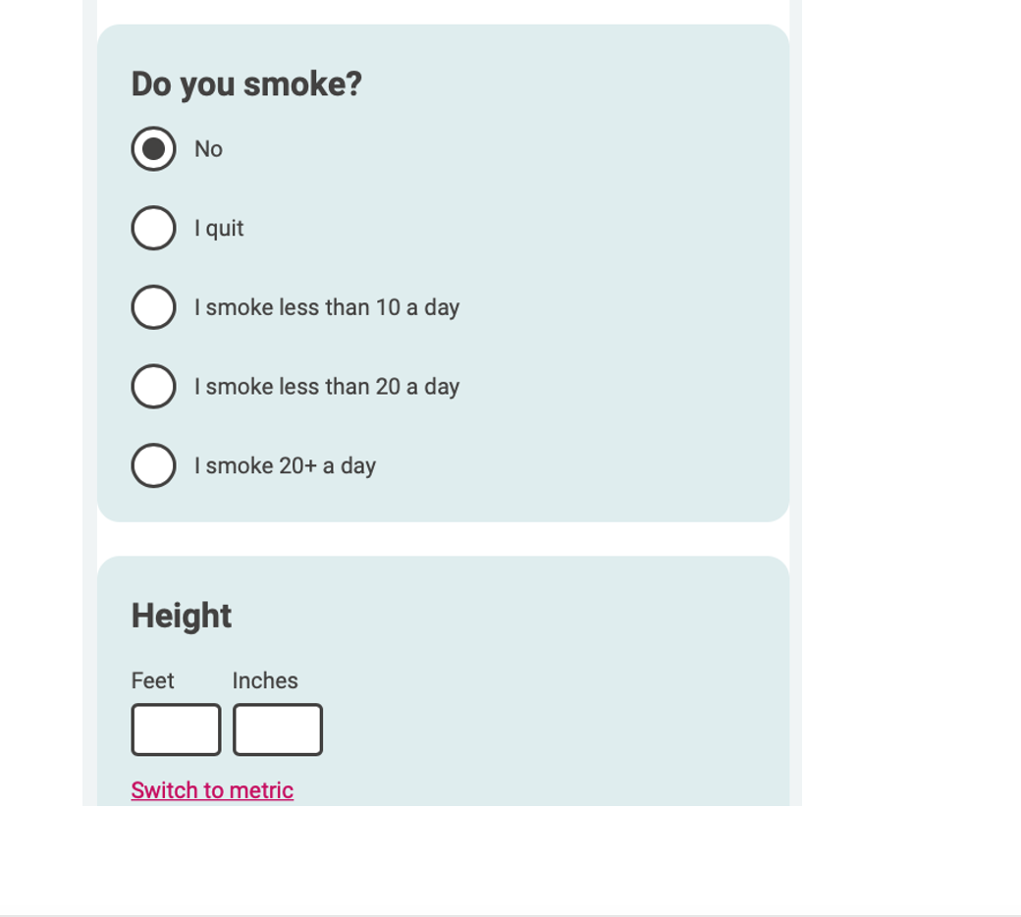
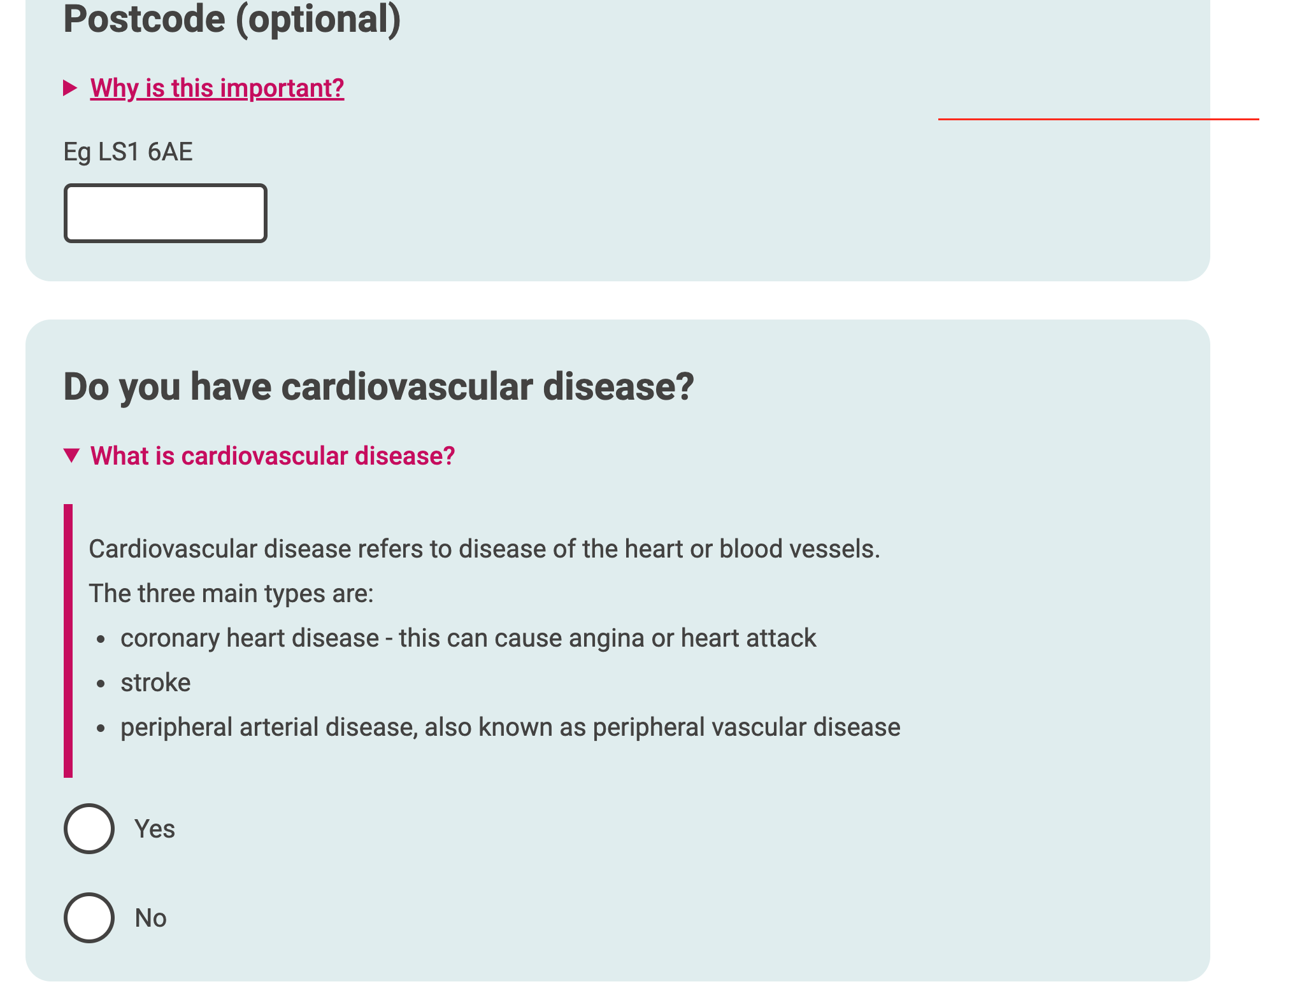
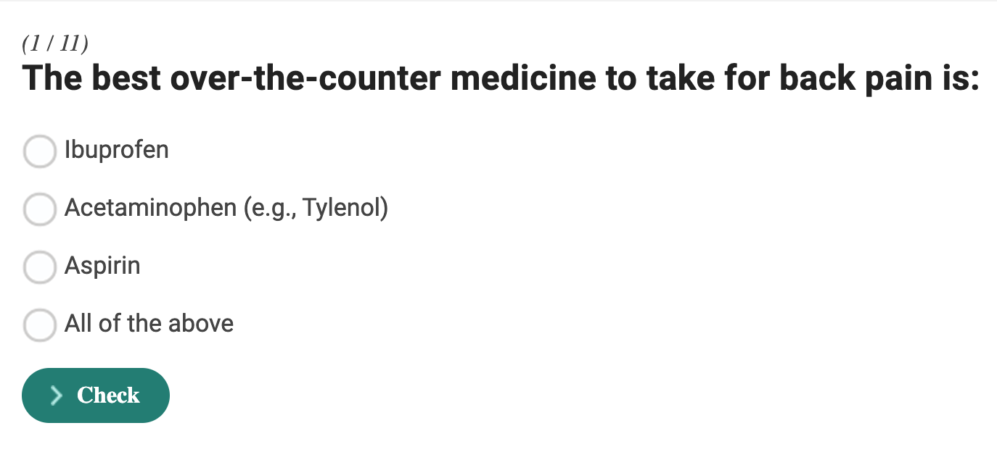
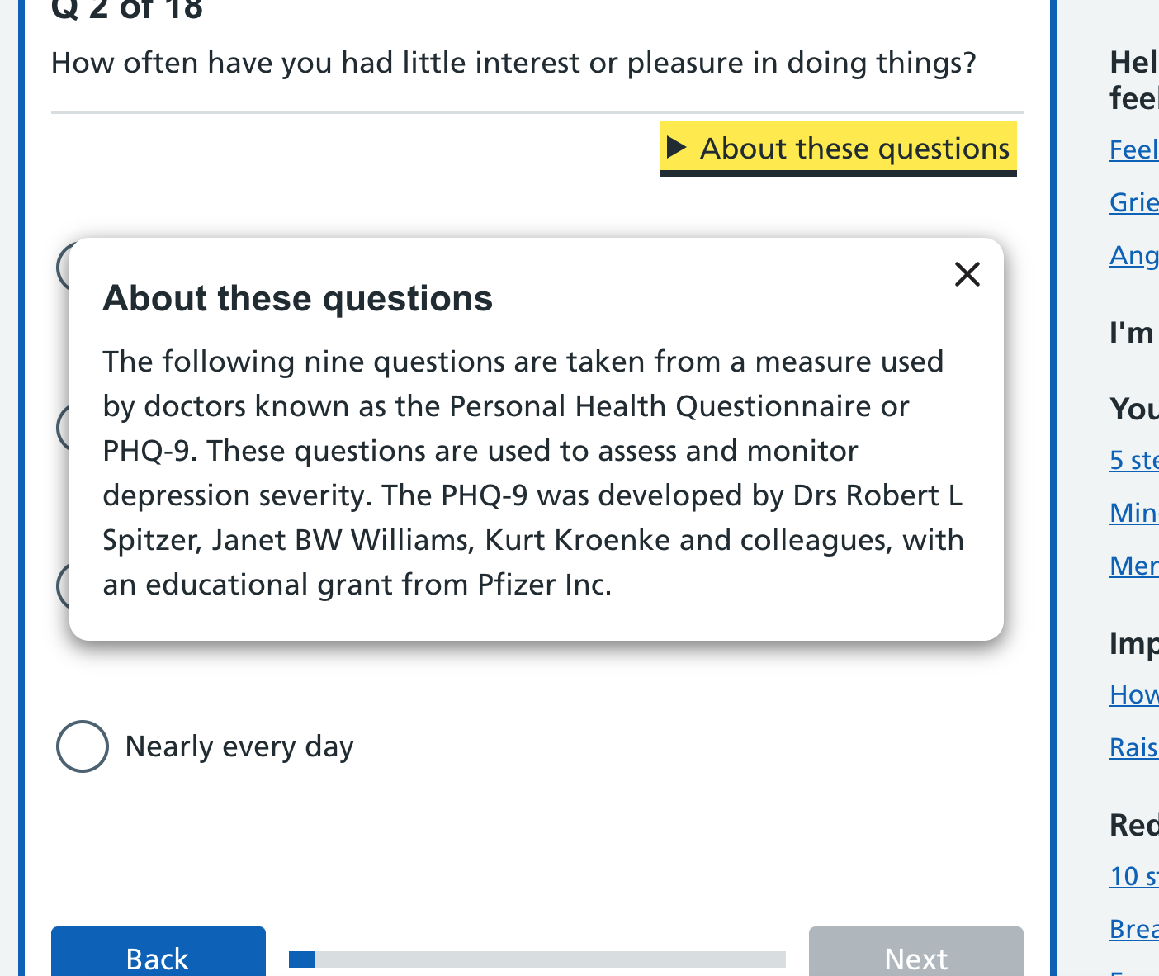
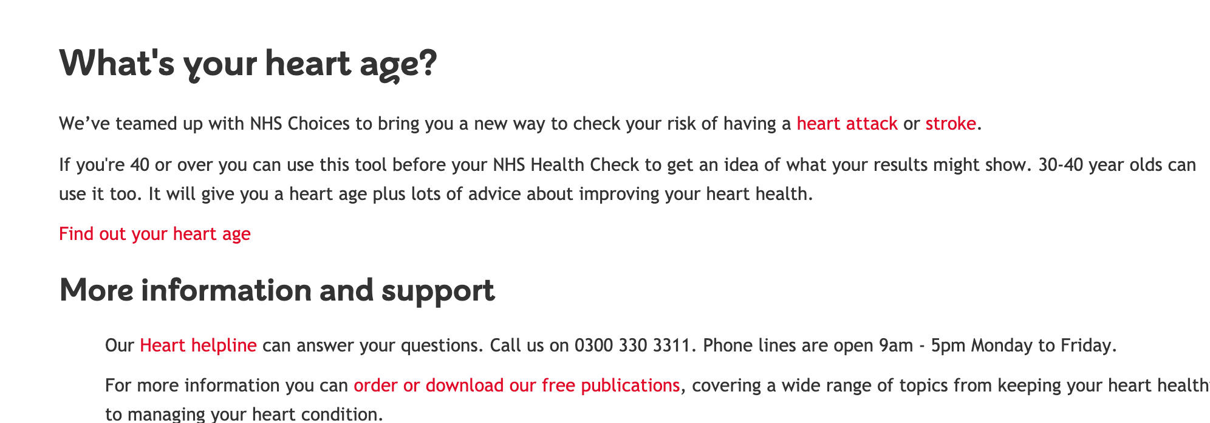
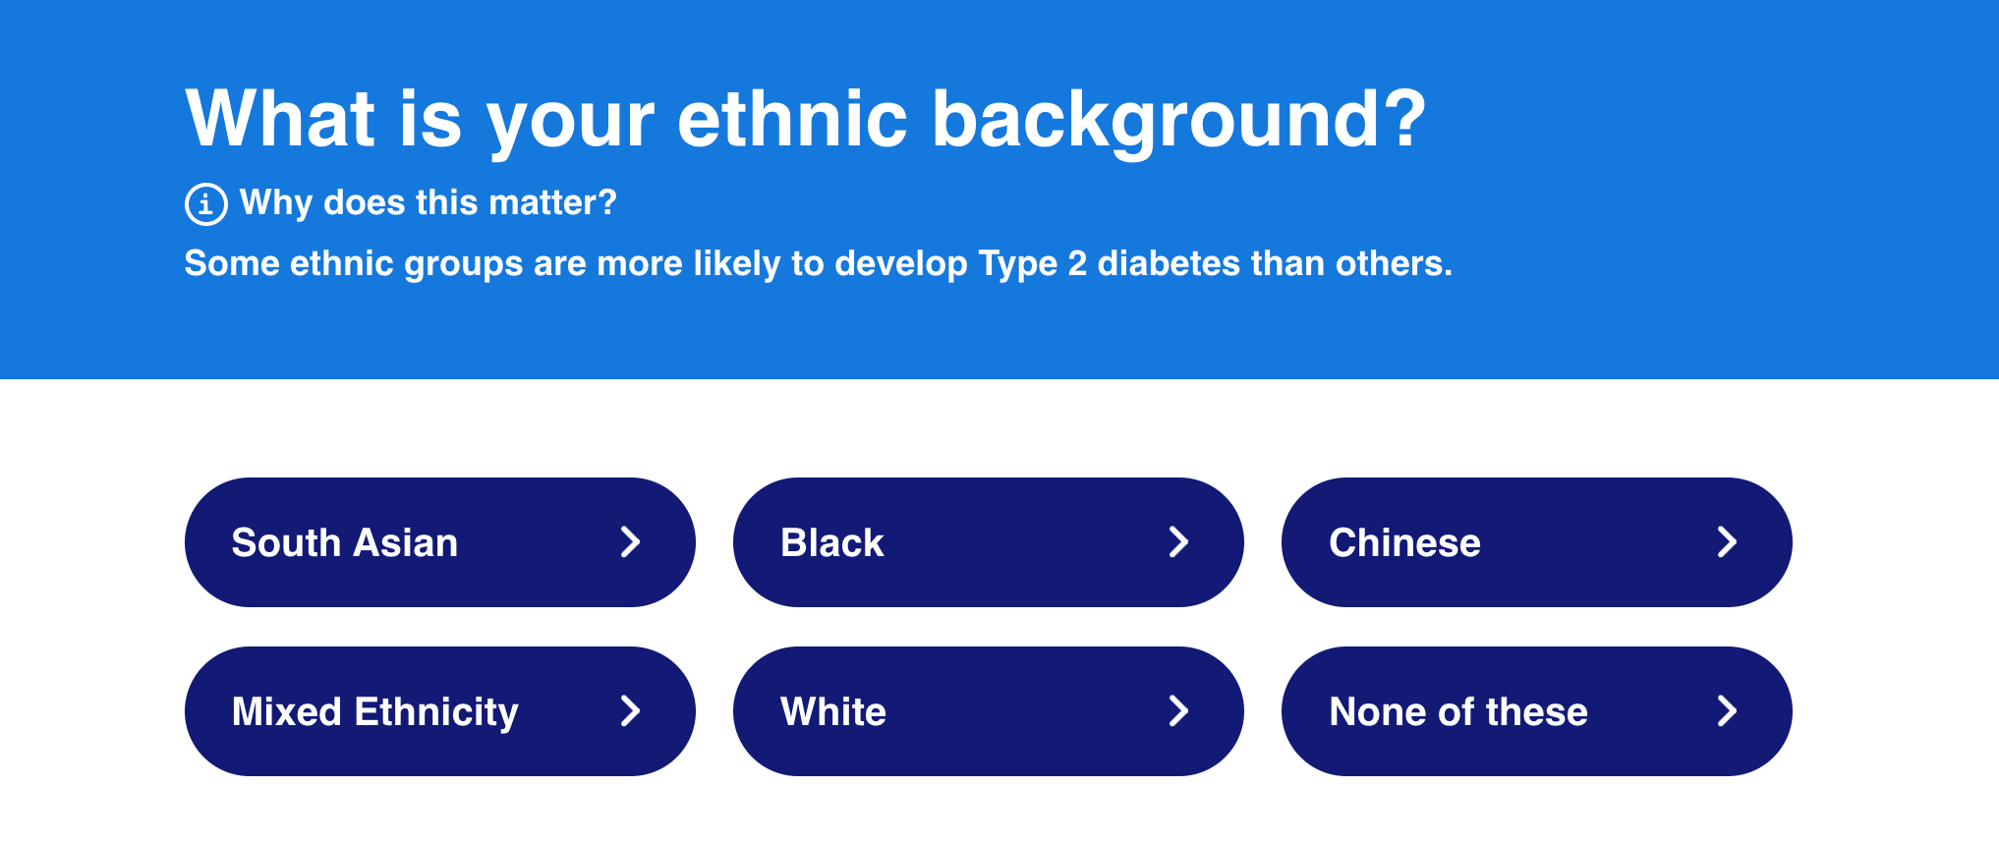
if this is your first time using the tool - click here for information
LUNG TRANSPLANTATION
KIDNEY TRANSPLANTATION
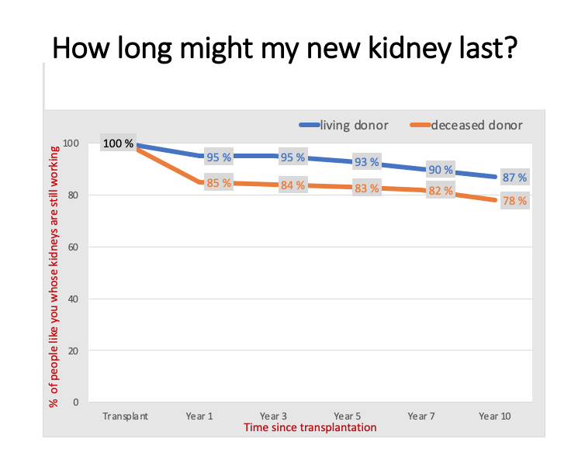
- the tool needs to be accessed / loaded connected to the internet, but will work if you go out of range once loaded (dont close the browser or tab)
- the tool is designed for use by or with a doctor or nurse. If you are a patient using the tool, plesae be aware that you will need to have relevant medical information to use the tool, and ideally you should have aceess (phone number or email) of your coordinator or transplant doctor to hand, should you need to talk anything through with them
- the tool will show personalised results based on some characteristics about the patient. The tool is limited in the number of characteristics it can include, and remember the few inputs you select can't fully approxinate a human being, we are much more complext than the data NHS BT collect.
- the tool can create pdf or has a print function for the results
- more detailed technical information about the data used to create the tool, or the models behind it, can be found on the xxxxxx pages in the tool.
- the tool has been designed as a communication tool, to help patients understand risks and benefits of transplantation.
- currently the tool only includes adults over 18 years old. We don't have enough data at the moment to create a tool for children, but hope this may be possible in the future

BIRMINGHAM QE
HAREFIELD
PRINT RESULTS
MANCHESTER WYTHENSHAWE
ADDENBROOKE'S
BIRMINGHAM QE
BRISTOL
etc etc etc

ROYAL PAPWORTH
NEWCASTLE FREEMAN
CHOOSE PAGES TO PRINT
all
waiting time
survival etc

SURVIVAL of everyone who joins the waiting list, indludes people who have had a transplant and those who are still waiting
OTHER INFORMATION ABOUT TRANSPLANTATION
PRINT
PDF / EMAIL
WAITING TIME
SURVIVAL POST TRANSPLANT
OTHER INFORMATION ABOUT TRANSPLANTATION
WAITING TIME
HOW LONG MIGHT MY KIDNEY LAST ?
SURVIVAL POST TRANSPLANT

 | include on printout LOCAL SITE NAME + contact number?

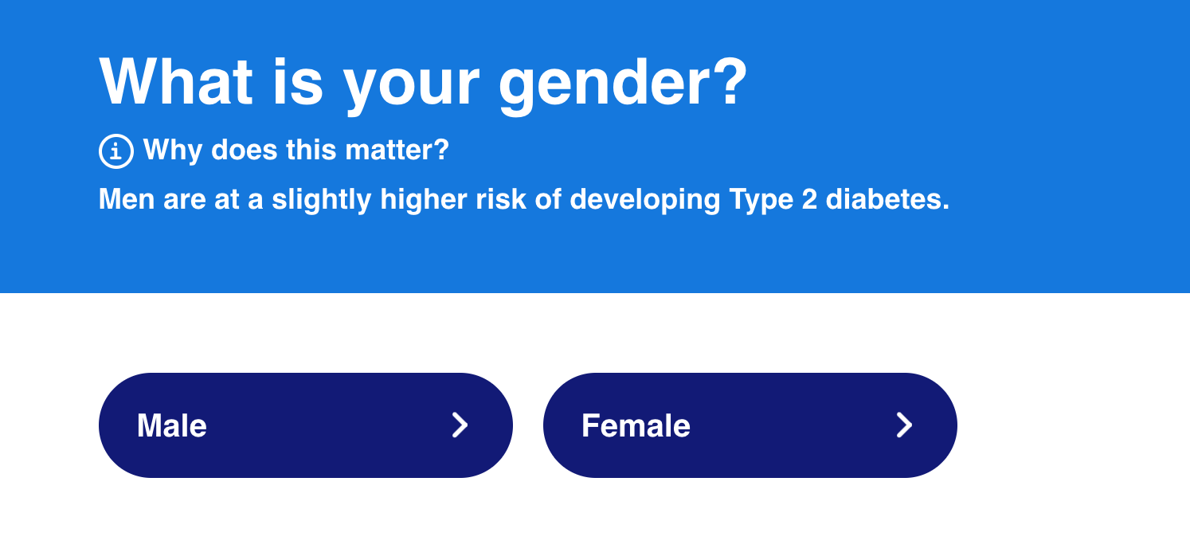
- landscape
- show output ONLY once all inputs have been entered
- wrap inputs around outputs?
- option to 'full screen' the outputs
- keep ability to carry inputs through to next screen (and other sites)
- 2 columns of inputs?
- make it easier to type in inputs
- background shading behind inputs to differentiate between outputs
- NHS sort of style
- limit logos and text
- remove source data
- pop up eye boxes?
- click here to see the inputs we considered'
- line graph
- icon array
- text / table
- 10 years - if not, sentence showing average 10 year survival of kidney

- 10 years - if not sentence showing average 10 year survival
- way of showing / highlighting year 1? (when most danger happens)
static images / text
need ability for cliicians to amend / change / add to these

